Overview
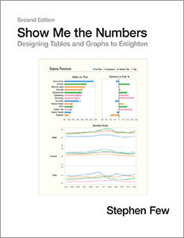
Dashboard Graphics Catalogue

Guidance & ressources |  | Bar charts | Pie Charts |  | Line Charts | 2-dimensional | Others | Tables

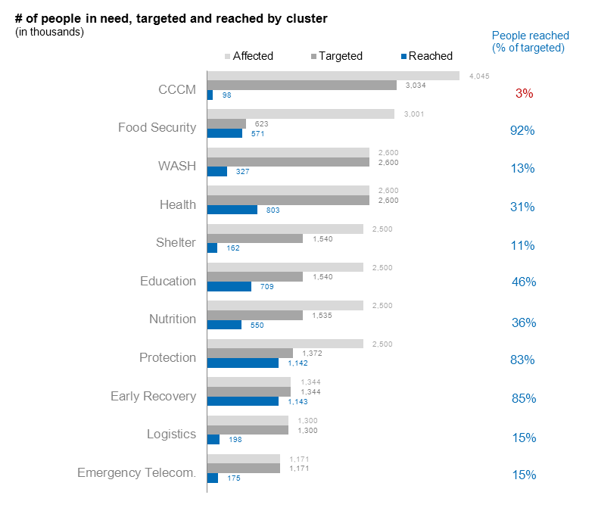
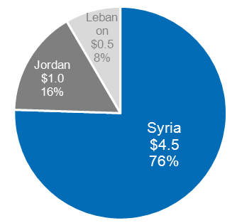
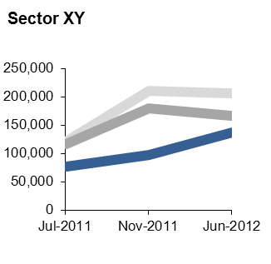
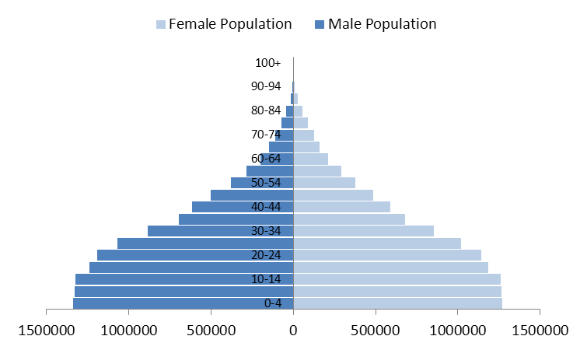
 | OCHA Graphics Style | 3 bars | Pie |  | Trend | Population Pyramid | Heat maps
 | Book


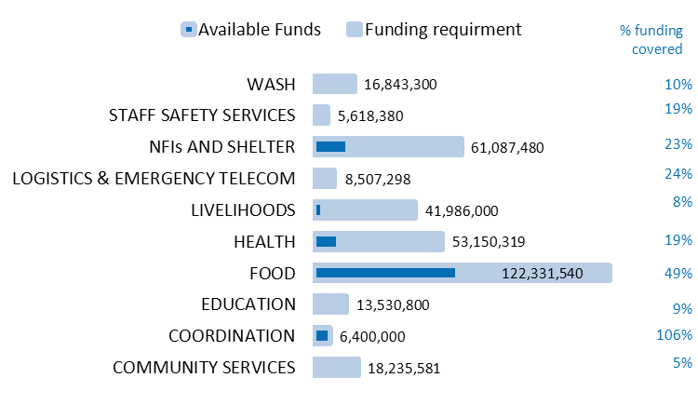
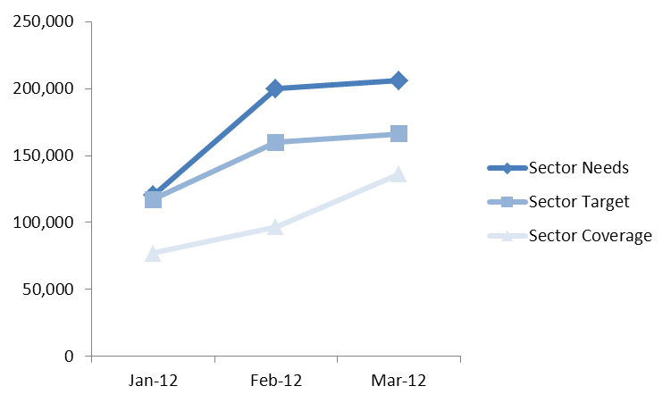
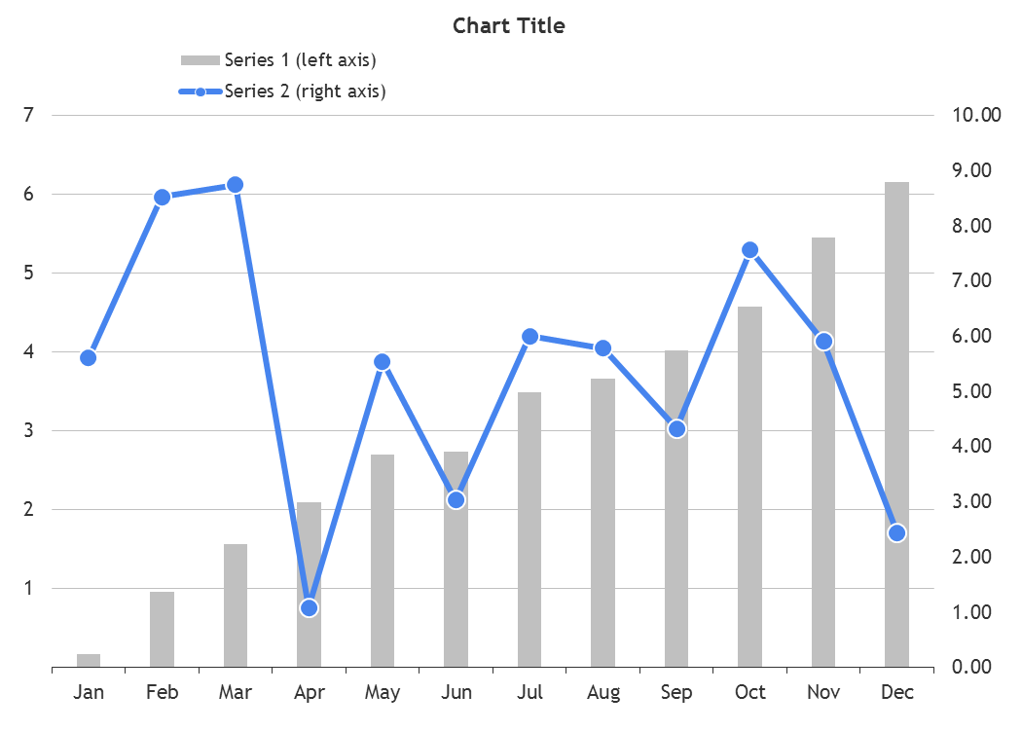
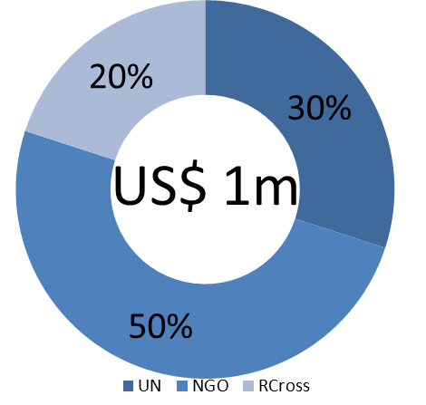
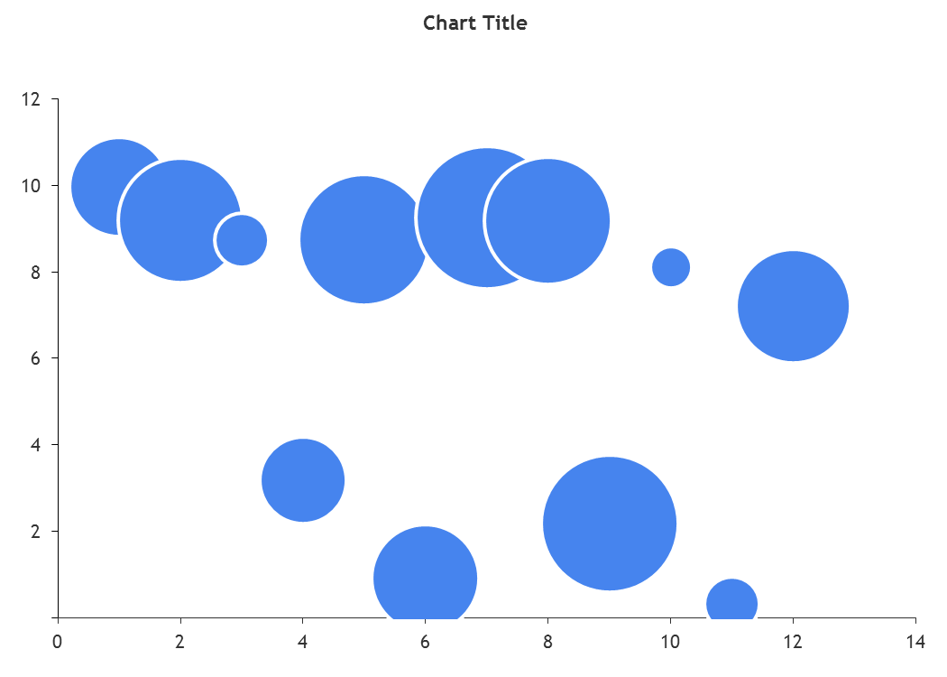
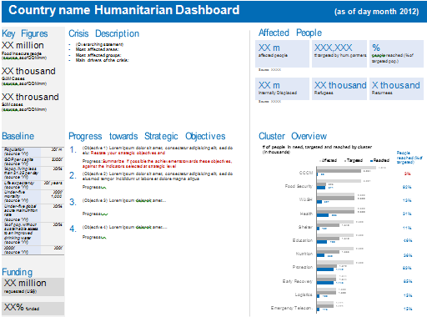
 | Humanitarian Dashboard | Bullet charts: | Doughnut |  |  | 2 axis column-line | Bubble chart
 | Template (Word) |  |  |  |  |  |  | Usage
 |  |  |  |  |  |  |  | Numbers + narrative
 |  |  |  |  |  |  |  | Organise information
 |  |  |  |  |  |  |  | Rank information
 |  |  |  |  |  |  |  | (sources tbd)

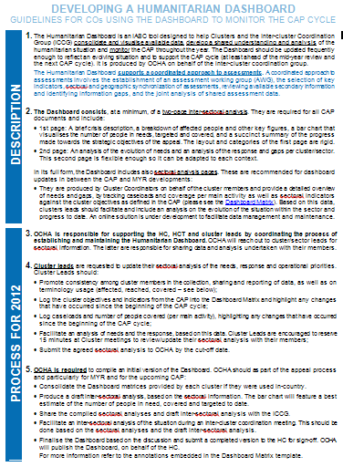
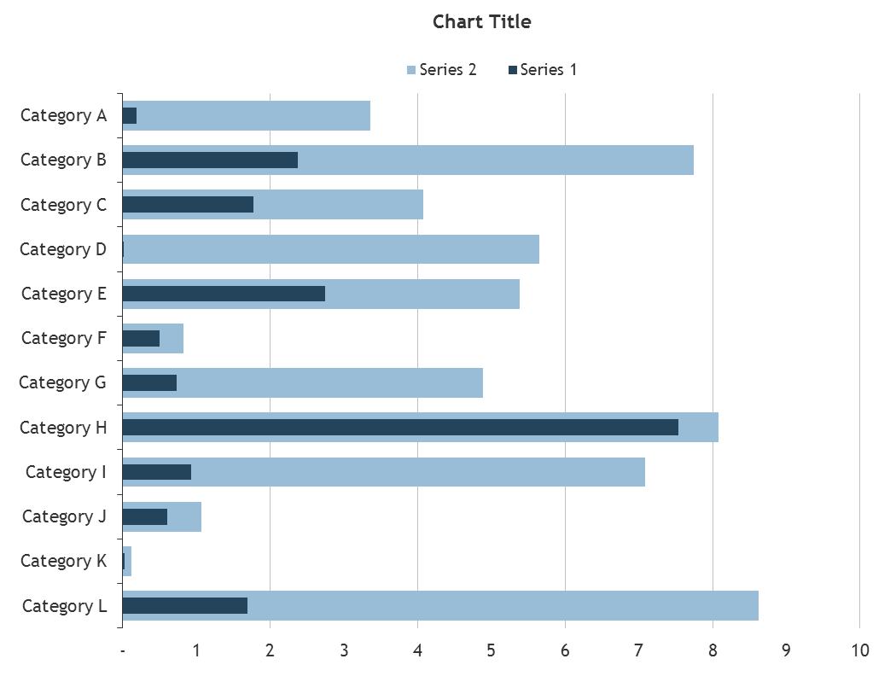
 | Humanitarian Dashboard
 | Guidance note
 |  |  |  |  |  |  | Surface Areas

 |  |  | Usage: |  | Usage: | Usage:
 |  |  | Funding | (source: FTS) | Caseload & CAP figures trends | Illustrating two related indicators
 |  |  | Demographics |  | Funding trends | (e.g. malnutrition rates against
 |  |  | (source: CODS Population |  | Indicator values chaning over time | admissions
 |  |  | Statistics) |  | (sources tbd) | (sources tbd)
 |  |  |  |  |  | Pyramid: Population statistice
 |  |  |  |  |  | camp populations
 |  |  |  |  |  | (source: CODs Populations
 |  |  |  |  |  | Statistics, Humanitarian Profile)
 | Dashboard Matrix
 |  | Usage: |  |  |  |  | Dials
 |  | Needs-target-reached per sector
 |  | (source: CAP document;
 |  | CODs Humanitarian Profile
 |  | cluster leads, HCT)

 |  | Funding per sector
 |  | (source: FTS)
 | Data Sources
 | CODs / FODs registry
 | to be completed

 |  |  |  |  |  |  | Usage
 |  |  |  |  |  |  | Heatmap - illustrate intensity,
 |  |  |  |  |  |  | e.g. number of same responses
 |  |  |  |  |  |  | Bubble chart: Allows to display
 |  |  |  |  |  |  | three variables
 |  |  |  |  |  |  | Surface Area: Comparison, e.g.
 |  |  |  |  |  |  | caseloads, populations
 |  |  |  |  |  |  | Dials: Progress against target,
 |  |  |  |  |  |  | alerts, etc
 |  |  |  |  |  |  | (sources tbd)
 | Humanitarian and
 | Country Icons 2012


 | NATF Website
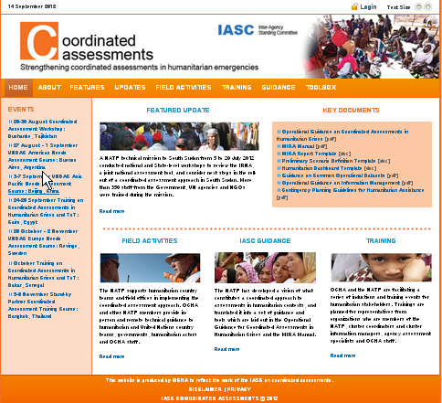

 | Dashboard design
 | Juice Analytics:
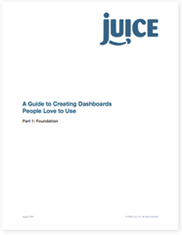

 | Stephen Few:

needs-target-reached
Tips:
-Sort the data in column B so that one can easily compare (data>sort)
-You can copy paste below chart also directly into a word format
 | Affected | Targeted | Reached | %reached vs targeted
CCCM | 4045 | 3034 | 98 | 3%
Food Security | 3001 | 623 | 571 | 92%
WASH | 2600 | 2600 | 327 | 13%
Health | 2600 | 2600 | 803 | 31%
Shelter | 2500 | 1540 | 162 | 11%
Education | 2500 | 1540 | 709 | 46%
Nutrition | 2500 | 1535 | 550 | 36%
Protection | 2200 | 1372 | 1142 | 83%
Early Recovery | 1344 | 1344 | 1143 | 85%
Logistics | 1300 | 1300 | 198 | 15%
Emergency Telecom. | 1171 | 1171 | 175 | 15%

Proxy indicators for above charts: (e.g.)
■ Food Sec: # of persons receiving a food ration of any size for any period of time ■ Shelter/NFI: # of beneficiaries receiving NFIs
■ Health: # of outpatient consultations ■ WASH: # of people with sustained access to safe & sufficient water
■ ■
■ ■

Trend
Sector
Needs | Target | Coverage
120,000 | 117,000 | 77,000
200,000 | 160,000 | 96,900
206,000 | 166,164 | 136,244

Sector XY

Trend 2
 | Sector
 | Needs | Target | Coverage
Jan-12 | 120,000 | 117,000 | 77,000
Feb-12 | 200,000 | 160,000 | 96,900
Mar-12 | 206,000 | 166,164 | 136,244

Funding per sector
Table 1
Below table was copy-pasted manually - you can also consider creating a pivot-table
Sector | Funding requirement | Available Funds | % funding covered
COMMUNITY SERVICES | 18,235,581 | 962,419 | 5%
COORDINATION | 6,400,000 | 6,781,864 | 106%
EDUCATION | 13,530,800 | 1,175,288 | 9%
FOOD | 122,331,540 | 59,574,651 | 49%
HEALTH | 53,150,319 | 10,226,246 | 19%
LIVELIHOODS | 41,986,000 | 3,549,699 | 8%
LOGISTICS & EMERGENCY TELECOM | 8,507,298 | 2,043,561 | 24%
NFIs AND SHELTER | 61,087,480 | 14,303,395 | 23%
STAFF SAFETY SERVICES | 5,618,380 | 1,076,398 | 19%
WASH | 16,843,300 | 1,741,800 | 10%
Chart 1
Option 1 incl funding coverage (in%)

Data: This green area is taken directly from FTS (fts.unocha.org)
Sectors | Original requirements USD | Revised requirements USD | Carry-over USD | Funding* USD | Total resources available USD | Unmet requirements | % Covered | Uncommitted pledges
COMMUNITY SERVICES | 3,910,332 | 18,235,581 | 0 | 962,419 | 962,419 | 17,273,162 | 5% | 0
COORDINATION | 3,645,793 | 6,400,000 | 0 | 6,781,864 | 6,781,864 | -381,864 | 106% | 0
EDUCATION | 7,326,500 | 13,530,800 | 0 | 1,175,288 | 1,175,288 | 12,355,512 | 9% | 0
FOOD | 74,807,000 | 122,331,540 | 799,783 | 58,774,868 | 59,574,651 | 62,756,889 | 49% | 0
HEALTH | 27,584,298 | 53,150,319 | 0 | 10,226,246 | 10,226,246 | 42,924,073 | 19% | 0
LIVELIHOODS | 16,662,250 | 41,986,000 | 0 | 3,549,699 | 3,549,699 | 38,436,301 | 8% | 517,598
LOGISTICS AND EMERGENCY TELECOMMUNICATIONS | 16,761,592 | 8,507,298 | 0 | 2,043,561 | 2,043,561 | 6,463,737 | 24% | 0
NFIs AND SHELTER | 19,625,866 | 61,087,480 | 0 | 14,303,395 | 14,303,395 | 46,784,085 | 23% | 0
STAFF SAFETY SERVICES | 2,424,570 | 5,618,380 | 0 | 1,076,398 | 1,076,398 | 4,541,982 | 19% | 0
WASH | 7,393,563 | 16,843,300 | 0 | 1,741,800 | 1,741,800 | 15,101,500 | 10% | 0

Grand Total: | 180,141,764 | 347,690,698 | 799,783 | 100,635,538 | 101,435,321 | 246,255,377 | 29% | 517,598

* Funding = Contributions + Commitments Contribution: the actual payment of funds or transfer of in-kind goods from the donor to the recipient entity. Commitment: creation of a legal, contractual obligation between the donor and recipient entity, specifying the amount to be contributed. Pledge: a non-binding announcement of an intended contribution or allocation by the donor. ("Uncommitted pledge" on these tables may indicate the balance of original pledges not yet committed.)

Pie Chart
 | HRP
Syria | $4.5
Jordan | $1.0
Lebanon | $0.5

Doughnut
UN | 40%
NGO | 50%
RCross | 10%
total | 100%

Date: xxx

two_axis_column_line
Chart Title

 | Series 1 (left axis) | Series 2 (right axis)
Jan | 0.17 | 5.60
Feb | 0.95 | 8.52
Mar | 5.00 | 9.00
Apr | 2.09 | 1.08
May | 2.69 | 5.54
Jun | 2.73 | 4.00
Jul | 3.49 | 6.00
Aug | 3.65 | 5.78
Sep | 4.01 | 4.32
Oct | 4.57 | 7.56
Nov | 5.45 | 5.90
Dec | 6.16 | 2.43

Dials
INDICATOR METERS |  |  |  |  |  | (developed by Christian Criboom)

(Obj 1) Fin 2012, dans les zones d’intervention humanitaire multisectorielle, diminution de 50% de la morbidité des maladies hydriques
Target | 100 | Target as % : | 50%
Achieved | 40 | Achieved: | 20%
Cursor | 2
 |  |  |  |  | T: 50%

10 | 39 | 70
10 | 0 | 0
10 | 2 | 30
10 | 59 | 0
10 | 0 | 0
10 | 0 | 0
10 | 0 | 0
10 | 0 | 0 |  | 40%
10 | 0 | 0
10 | 0 | 0
100 | 100 | 100

(Obj 3) Fin 2012, dans les regions prioritaires multisectorielles et sectorielles, augmentation du taux de scolarité à l’école primaire x% pour les garçons et y% pour les filles en âge scolaire
Target | 100 | Target as % : | 0%
Achieved | - | Achieved: | 0%
Cursor | 2
 |  |  |  |  | T: 0%

10 | 0 | 70
10 | 0 | 0
10 | 2 | 30
10 | 99 | 0
10 | -1 | 0
10 | 0 | 0
10 | 0 | 0
10 | 0 | 0 |  | 0%
10 | 0 | 0
10 | 0 | 0
100 | 100 | 100

(Obj 1) Fin 2012, dans les zones d’intervention humanitaires multisectorielles et sectorielles, augmentation de 10% du nombre de foyers dont le score de consommation de nourriture est de 35+
Target | 100 | Target as % : | 10%
Achieved | - | Achieved: | 0%
Cursor | 2
 |  |  |  |  | T: 10%

10 | 0 | 70
10 | 0 | 0
10 | 2 | 30
10 | 99 | 0
10 | -1 | 0
10 | 0 | 0
10 | 0 | 0
10 | 0 | 0 |  | 0%
10 | 0 | 0
10 | 0 | 0
100 | 100 | 100

(Obj 2) Fin 2012, dans les zones de retour, 75% des structures sanitaires de base sont fonctionnelles
Target | 100 | Target as % : | 75%
Achieved | - | Achieved: | 0%
Cursor | 2
 |  |  |  |  | T: 75%

10 | 0 | 70
10 | 0 | 0
10 | 2 | 30
10 | 99 | 0
10 | -1 | 0
10 | 0 | 0
10 | 0 | 0
10 | 0 | 0 |  | 0%
10 | 0 | 0
10 | 0 | 0
100 | 100 | 100

(Obj 2) Fin 2012, dans les zones de retour, le taux de scolarité à l’école primaire, atteint la moyenne nationale
Target | 0
Achieved | 0
Cursor | 2
 |  |  |  |  | T: 0

10 | 0 | 70
10 | 0 | 0
10 | 2 | 30
10 | 0 | 0
10 | 98 | 0
10 | 0 | 0
10 | 0 | 0
10 | 0 | 0 |  | 0%
10 | 0 | 0
10 | 0 | 0
100 | 100 | 100

(Obj 2) En 2012, augmentation progressive et régulière (+2.5% mensuel) du taux d’intention de retour des personnes déplacées et refugiées
Target | 0
Achieved | 0
Cursor | 2
 |  |  |  |  | T: 0

10 | 0 | 70
10 | 0 | 0
10 | 2 | 30
10 | 0 | 0
10 | 98 | 0
10 | 0 | 0
10 | 0 | 0
10 | 0 | 0 |  | 0%
10 | 0 | 0
10 | 0 | 0
100 | 100 | 100

(Obj 2) Fin 2012, dans les régions d’intervention en sécurité alimentaires diminution de 12 points de l’indice de stratégie de survie des ménages
Target | 100 | Target as % : | 12
Achieved | - | Achieved: | 0
Cursor | 2
 |  |  |  |  | T: 12

10 | 0 | 70
10 | 0 | 0
10 | 2 | 30
10 | 99 | 0
10 | -1 | 0
10 | 0 | 0
10 | 0 | 0
10 | 0 | 0 |  | 0%
10 | 0 | 0
10 | 0 | 0
100 | 100 | 100

(Obj 3) Fin 2012, dans les régions de régions d’intervention en sécurité alimentaires, diminution de 40% du nombre de ménages en insécurité alimentaire modérée
Target | 100 | Target as % : | 40%
Achieved | - | Achieved: | 0%
Cursor | 2
 |  |  |  |  | T: 40%

10 | 0 | 70
10 | 0 | 0
10 | 2 | 30
10 | 99 | 0
10 | -1 | 0
10 | 0 | 0
10 | 0 | 0
10 | 0 | 0 |  | 0%
10 | 0 | 0
10 | 0 | 0
100 | 100 | 100

(Obj 3) Fin 2012, dans les régions d’intervention en sécurité alimentaires , diminution de 60% du nombre de ménages en insécurité alimentaire aigue
Target | 100 | Target as % : | 60%
Achieved | - | Achieved: | 0%
Cursor | 2
 |  |  |  |  | T: 60%

10 | 0 | 70
10 | 0 | 0
10 | 2 | 30
10 | 99 | 0
10 | -1 | 0
10 | 0 | 0
10 | 0 | 0
10 | 0 | 0 |  | 0%
10 | 0 | 0
10 | 0 | 0
100 | 100 | 100

(Obj 3) Fin 2012, dans les régions de Montagnes, Moyen Cavally, le % de cas d’Infection Respiratoire Aigue chez les enfants de moins de 5 ans des familles déplacées est le même que celui des populations hôtes.
Target | 100 | Target as % : | 30%
Achieved | - | Achieved: | 0%
Cursor | 2
 |  |  |  |  | T: 30%

10 | 0 | 70
10 | 0 | 0
10 | 2 | 30
10 | 99 | 0
10 | -1 | 0
10 | 0 | 0
10 | 0 | 0
10 | 0 | 0 |  | 0%
10 | 0 | 0
10 | 0 | 0
100 | 100 | 100

Population Pyramid
Age | Male Population | Female Population | % male | %female | Data:
Total | -11444059 | 11086687 | -374.4599465 | 374.4599465 | Five Year Age Groups and Sex for Region Summary
0-4 | -1338215 | 1268876 | -372.03222413 | 372.03222413 | Region | Country | Year | Age | Both Sexes Population | Male Population | Female Population | Percent Both Sexes | Percent Male | Percent Female | Sex Ratio
5-9 | -1329539 | 1264863 | -370.2066754 | 370.2066754 | Custom Region | Syria | 2012 | Total | 22530746 | 11444059 | 11086687 | 100 | 100 | 100 | 103.2
10-14 | -1323015 | 1260120 | -346.26775461 | 346.26775461 | Custom Region | Syria | 2012 | 0-4 | 2607091 | 1338215 | 1268876 | 11.6 | 11.7 | 11.4 | 105.5
15-19 | -1237464 | 1182120 | -334.01553563 | 334.01553563 | Custom Region | Syria | 2012 | 5-9 | 2594402 | 1329539 | 1264863 | 11.5 | 11.6 | 11.4 | 105.1
20-24 | -1193678 | 1144032 | -298.91681497 | 298.91681497 | Custom Region | Syria | 2012 | 10-14 | 2583135 | 1323015 | 1260120 | 11.5 | 11.6 | 11.4 | 105
25-29 | -1068245 | 1018641 | -247.24320876 | 247.24320876 | Custom Region | Syria | 2012 | 15-19 | 2419584 | 1237464 | 1182120 | 10.7 | 10.8 | 10.7 | 104.7
30-34 | -883578 | 851369 | -194.19932172 | 194.19932172 | Custom Region | Syria | 2012 | 20-24 | 2337710 | 1193678 | 1144032 | 10.4 | 10.4 | 10.3 | 104.3
35-39 | -694014 | 678919 | -171.94072283 | 171.94072283 | Custom Region | Syria | 2012 | 25-29 | 2086886 | 1068245 | 1018641 | 9.3 | 9.3 | 9.2 | 104.9
40-44 | -614468 | 591159 | -140.13269087 | 140.13269087 | Custom Region | Syria | 2012 | 30-34 | 1734947 | 883578 | 851369 | 7.7 | 7.7 | 7.7 | 103.8
45-49 | -500795 | 487094 | -106.19858299 | 106.19858299 | Custom Region | Syria | 2012 | 35-39 | 1372933 | 694014 | 678919 | 6.1 | 6.1 | 6.1 | 102.2
50-54 | -379524 | 374248 | -80.313231031 | 80.313231031 | Custom Region | Syria | 2012 | 40-44 | 1205627 | 614468 | 591159 | 5.4 | 5.4 | 5.3 | 103.9
55-59 | -287017 | 290448 | -56.110439542 | 56.110439542 | Custom Region | Syria | 2012 | 45-49 | 987889 | 500795 | 487094 | 4.4 | 4.4 | 4.4 | 102.8
60-64 | -200523 | 210769 | -41.125214063 | 41.125214063 | Custom Region | Syria | 2012 | 50-54 | 753772 | 379524 | 374248 | 3.3 | 3.3 | 3.4 | 101.4
65-69 | -146970 | 160856 | -30.859440583 | 30.859440583 | Custom Region | Syria | 2012 | 55-59 | 577465 | 287017 | 290448 | 2.6 | 2.5 | 2.6 | 98.8
70-74 | -110283 | 125683 | -20.240253853 | 20.240253853 | Custom Region | Syria | 2012 | 60-64 | 411292 | 200523 | 210769 | 1.8 | 1.8 | 1.9 | 95.1
75-79 | -72333 | 88792 | -11.861589604 | 11.861589604 | Custom Region | Syria | 2012 | 65-69 | 307826 | 146970 | 160856 | 1.4 | 1.3 | 1.5 | 91.4
80-84 | -42390 | 55387 | -4.9391110663 | 4.9391110663 | Custom Region | Syria | 2012 | 70-74 | 235966 | 110283 | 125683 | 1 | 1 | 1.1 | 87.7
85-89 | -17651 | 25353 | -1.0599599297 | 1.0599599297 | Custom Region | Syria | 2012 | 75-79 | 161125 | 72333 | 88792 | 0.7 | 0.6 | 0.8 | 81.5
90-94 | -3788 | 6642 | 0.14662592481 | -0.14662592481 | Custom Region | Syria | 2012 | 80-84 | 97777 | 42390 | 55387 | 0.4 | 0.4 | 0.5 | 76.5
95-99 | 524 | 1177 | 0.012591921023 | -0.012591921023 | Custom Region | Syria | 2012 | 85-89 | 43004 | 17651 | 25353 | 0.2 | 0.2 | 0.2 | 69.6
100+ | 45 | 139 | 0 | 0 | Custom Region | Syria | 2012 | 90-94 | 10430 | 3788 | 6642 | 0 | 0 | 0.1 | 57
 |  |  |  |  | Custom Region | Syria | 2012 | 95-99 | 1701 | 524 | 1177 | 0 | 0 | 0 | 44.5
 |  |  |  |  | Custom Region | Syria | 2012 | 100+ | 184 | 45 | 139 | 0 | 0 | 0 | 32.4

 |  |  |  |  | Source: US Census Bureau, International Data Base
 |  |  |  |  | http://www.census.gov/population/international/data/idb/region.php

bullet_bar
Chart Title

 | Series 1 | Series 2
Category A | 4.00 | 8
Category B | 3.00 | 4
Category C | 3.89 | 9
Category D | - | 1
Category E | 4.69 | 5
Category F | 3.89 | 5
Category G | 3.04 | 4
Category H | 2.32 | 5
Category I | 4.47 | 9
Category J | 7.53 | 8
Category K | - | 0
Category L | 0.11 | 1

Bubble
Bubble charts can be useful to illustrate three values for data points. Useful to illustrate relationships and comparisons.
<5 Child mortality (Death/1000 born | % of population with access to 15 litres of water per person per day | IDPs camp size
5 | 80% | 800
50 | 60% | 3000
100 | 20% | 12000

